outsrc_cat_req_wkflow_diagram
MACRO 1 - scan each barcode in the Batch
-- Checks for errors
-- Changes IPS to HP (Cataloging Hold-TechPro)
-- Generates a plain text file of BSNs/Barcodes, formatted one item per line as: BSN, Barcode
BOOKS:
IPS = HP (Cat Hold-TP)
Temp Loc = Checked
SCORES:
IPS = HP (Cat Hold-TP)
Temp Loc = Unchecked

WEBFORM - submit and upload plain text file of BSNs/Barcodes
http://karms1.bobst.nyu.edu/karms/outsource_request/
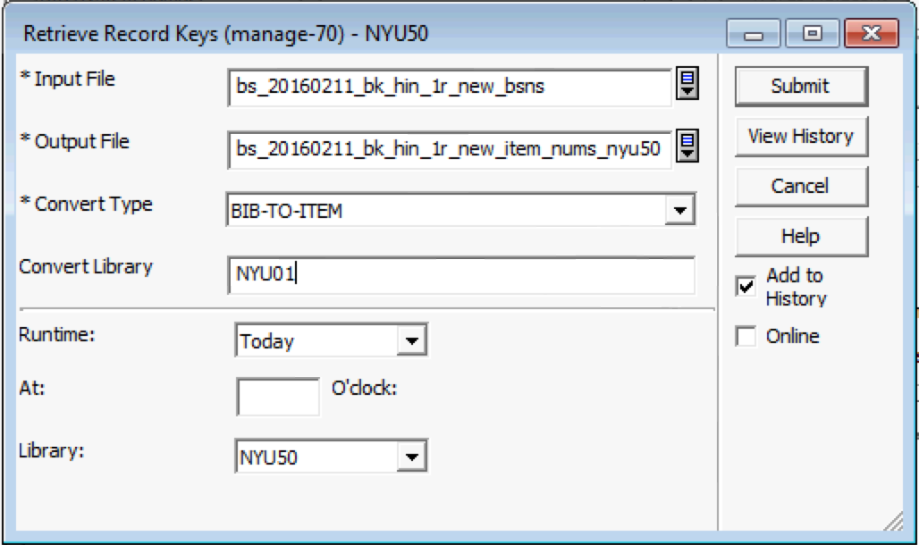
outsource_request/process/[batch_folder]/[batch_name]_[new/corr/pkgd]_submission.xml

PHP/Javascript - copies the file to the karms1 production server at:
/apps/www/karms/outsource_request/
and splits the BSNs and Barcodes out into 2 separate files
where the batch name is formatted as:
TechPro: tp_YYYYMMDD_bk_lng_#r --> tp_20160219_bk_per_274r
BackStage: bs_YYYYMMDD_bk_lng_#r --> bs_20160219_bk_tur_19r
outsource_request/process/[batch_folder]/[batch_name]_[new/corr/pkgd]_barcodes

outsource_request/process/[batch_folder]/[batch_name]_[new/corr/pkgd]_bsns

ALEPH Service - manage-70
-- Copy input file of bsns to: u22_2/nyu01/scratch
-- Run manage-70 for BIB-TO-ITEM on each ADM (nyu50/51/52)
-- Output file suffixed as: _item_nums_nyu[50/51/52]
-- Convert Type: BIB-TO-ITEM
-- Convert Library: NYU01
-- Outputs 3 files of all item numbers linked to those BSNs from each ADM, saved in u22_2/nyu[50/51/52]/scratch

ALEPH
-- requestor fixes errors
-- resubmits BSNs/Barcodes as CORRECTIONS
ALEPH Service - ret-adm-03
-- Combine item numbers from the 3 separate files (nyu50/51/52) into a single file of ALL item numbers, file suffix: _item_nums_all
-- Copy that file to: u22_2/alephe/scratch
-- Run ret-adm-03 on each ADM library (nyu50/51/52)
-- Output file suffixed as: _item_xml_nyu[50/51/52]
-- Retain default form values (make sure "Build Batch Report" is checked)
-- Outputs 3 files of item xml data from each ADM - saved in nyu[50/51/52]/print
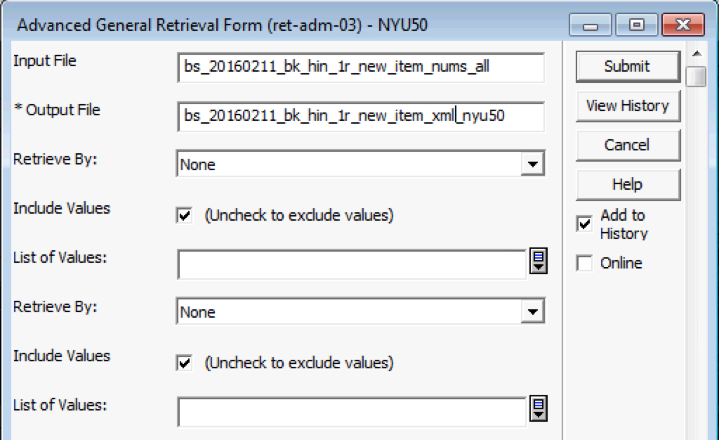

ERRORS
PYTHON Script
-- Copy the 3 separate files of item xml data to: [working directory]
-- Run Python script to analyze the item xml records and create HTML Errors report

NO ERRORS

MACRO 2 - scan each barcode and pack in box
-- Checks for errors
-- Changes IPS to XM (TechPro)
-- Generates a new file of BSNs/Barcodes

Run Python script compare final list against original list of BSNs/Barcodes
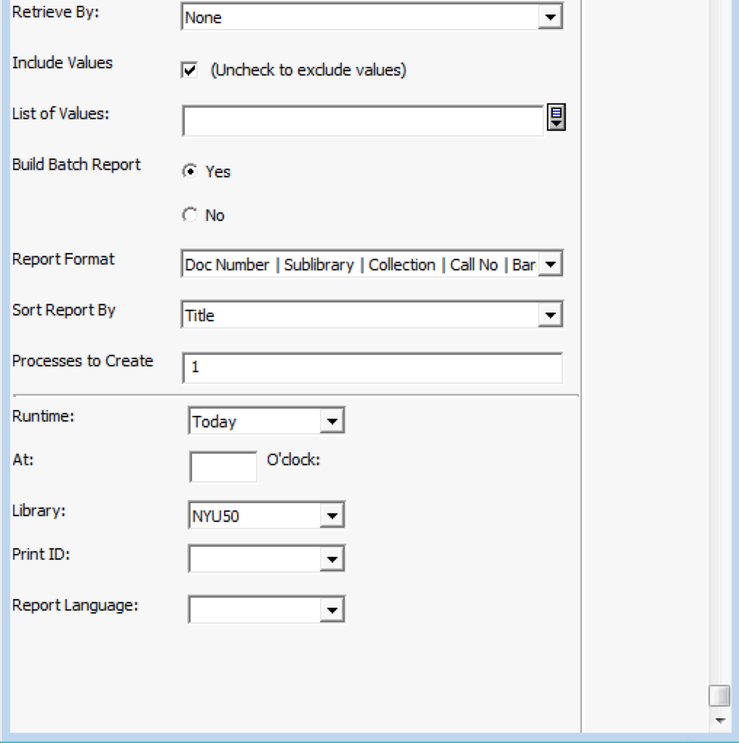

ALEPH Service
-- Input file of BSNs saved in: u22_2/alephe/scratch
-- print-03 on nyu01 to extract MARC records for final BSNs
-- Use settings:
-- Field 1 + Indicator: ALL
-- Format: MARC with alphanumeric tags
-- Fix Routine: OTP01
-- Expand Routine: TECHPRO
-- Character Conversion: None
-- Export deleted records? No
-- File output to: u22_2/nyu01/scratch

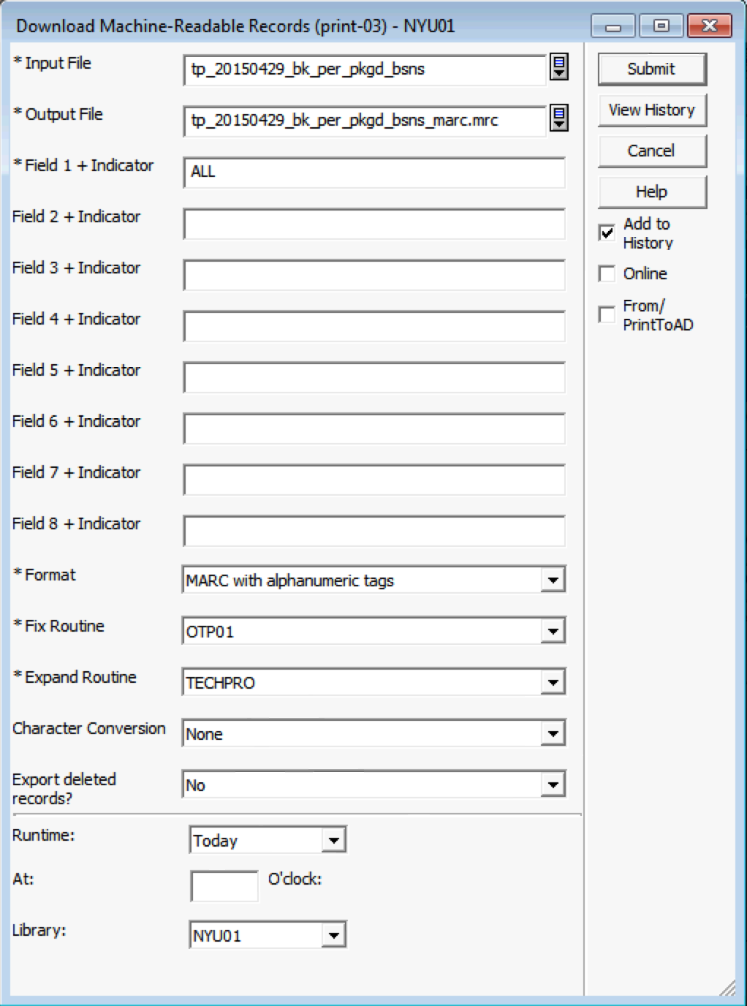

MarcEdit
-- Find & Review any 852 $a tags with Enumeration
-- FIND: =852.*\$a.*\$a
-- Run the TechPro Task List
-- Deletes any "FMT" tags
-- Deletes any 852 $a tags with Enumeration
-- FIND: (=852.*\$a.*)\$a[^\$]*
-- REPLACE: $1
-- Save the .mrk file with "marc_final" suffix, like this:
tp_20160121_bk_gre_pkgd_marc_final.mrk
-- Recompile to .mrc and save with same name (except as .mrc)

-- Notify Global Processing Unit / Requestor to send shipment
-- Send final .mrc file of MARC records to TechPro

